TEDB Edition 40
Figure 9.5. Average Daily Miles Driven (per Driver), 2017 NHTS
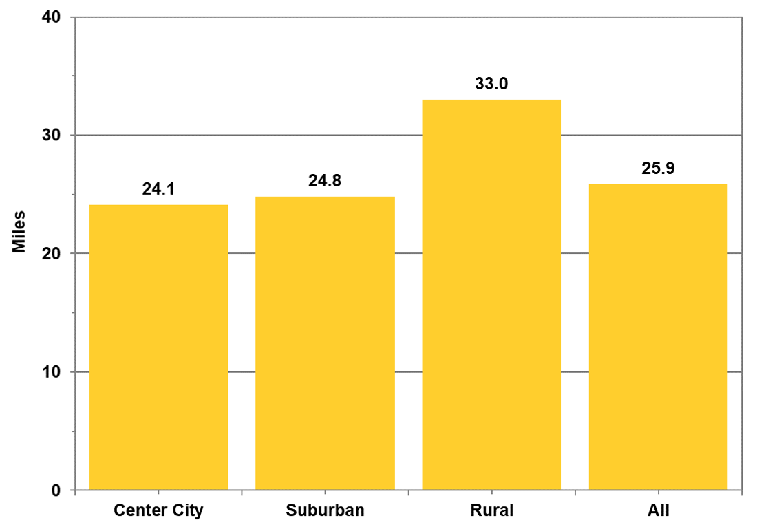

 | Area | (Miles)
 | Center City | 24.1
 | Suburban | 24.8
 | Rural | 33.0
 | All | 25.9

 | Note: Center city = urban area; suburban = urban cluster and area surrounded by urban areas; rural = not in urban area.

 | Source:
 | Generated from the 2017 National Household Travel Survey website nhts.ornl.gov.

